femm simulation
velocity vs voltage for coils @ 680uF
FEMM model output |  |  |  |  | FEMM model calculations |  |  |  | constants |  | velocity vs voltage for coils @ 680uF
 | 50-turn 1.6mm coil |  | 40-turn 2.0mm coil |  | 440V 50-turn 1.6mm coil |  | 440V 40-turn 2.0mm coil |  | mass (g) | 16 | 50-turn 1.6mm coil |  |  | 40-turn 2.0mm coil
distance (m) | force (N) | integral (J) | force (N) | integral (J) | estimated outputs |  |  |  | capacitance (uF) | 680 | voltage (V) | velocity (ms-1) | velocity (kmh-1) | voltage (V) | velocity (ms-1) | velocity (kmh-1)
-0.03 | 2.4708 | 0.002726 | 1.9919652257 | 0.002186 | energy | 65.824 | energy | 65.824 | voltage (V) | 440 | 0 | 0.0000 | 0.0000 | 0 | 0.0000 | 0.0000
-0.029 | 2.9810 | 0.003295 | 2.3799775888 | 0.002615 | velocity (ms-1) | 90.708 | velocity (ms-1) | 90.708 | custom inputs |  | 10 | 0.2852 | 1.0268 | 10 | 0.2279 | 0.8206
-0.028 | 3.6093 | 0.003997 | 2.850629831 | 0.003138 | velocity (kmh-1) | 326.550 | velocity (kmh-1) | 326.550 | voltage (V) | 440 | 20 | 0.5704 | 2.0535 | 20 | 0.4559 | 1.6412
-0.027 | 4.3840 | 0.004862 | 3.4249102537 | 0.003775 | height (m) | 419.368 | height (m) | 419.368 | capacitance (uF) | 680 | 30 | 0.8556 | 3.0803 | 30 | 0.6838 | 2.4619
-0.026 | 5.3407 | 0.005936 | 4.1245593859 | 0.004552 | single coil outputs |  |  |  |  |  | 40 | 1.1408 | 4.1070 | 40 | 0.9118 | 3.2825
-0.025 | 6.5305 | 0.007265 | 4.9788895003 | 0.005500 | energy (J) | 1.260 | energy (J) | 0.805 | all coils have a winding length of 16mm |  | 50 | 1.4260 | 5.1338 | 50 | 1.1397 | 4.1031
-0.024 | 8.0000 | 0.008909 | 6.0217848147 | 0.006656 | velocity (ms-1) | 12.549 | velocity (ms-1) | 10.030 |  |  | 60 | 1.7113 | 6.1605 | 60 | 1.3677 | 4.9237
-0.023 | 9.8171 | 0.010940 | 7.2906341192 | 0.008062 | velocity (kmh-1) | 45.177 | velocity (kmh-1) | 36.107 | integral of eq. = 0.5mv^2-0.5mu^2 |  | 70 | 1.9965 | 7.1873 | 70 | 1.5956 | 5.7443
-0.022 | 12.0622 | 0.013445 | 8.8343301265 | 0.009769 | height (m) | 8.027 | height (m) | 5.127 |  |  | 80 | 2.2817 | 8.2140 | 80 | 1.8236 | 6.5650
-0.021 | 14.8273 | 0.016520 | 10.703753429 | 0.011829 | efficiency (%) | 1.914 | efficiency (%) | 1.223 |  |  | 90 | 2.5669 | 9.2408 | 90 | 2.0515 | 7.3856
-0.02 | 18.2135 | 0.020268 | 12.953761733 | 0.014297 | 5-coil outputs |  |  |  |  | ` | 100 | 2.8521 | 10.2675 | 100 | 2.2795 | 8.2062
-0.019 | 22.3233 | 0.024792 | 15.639587603 | 0.017228 | energy (J) | 65.335 | energy (J) | 4.024 |  |  | 110 | 3.1373 | 11.2943 | 110 | 2.5074 | 9.0268
-0.018 | 27.2610 | 0.030185 | 18.81630721 | 0.020667 | velocity (ms-1) | 90.371 | velocity (ms-1) | 50.149 |  |  | 120 | 3.4225 | 12.3210 | 120 | 2.7354 | 9.8474
-0.017 | 33.1087 | 0.036503 | 22.517725544 | 0.024630 | velocity (kmh-1) | 325.335 | velocity (kmh-1) | 180.536 |  |  | 130 | 3.7077 | 13.3478 | 130 | 2.9633 | 10.6681
-0.016 | 39.8982 | 0.043746 | 26.742607468 | 0.029105 | height (m) | 40.133 | height (m) | 25.636 |  |  | 140 | 3.9929 | 14.3745 | 140 | 3.1913 | 11.4887
-0.015 | 47.5929 | 0.051824 | 31.467380999 | 0.034029 | custom input calculation |  |  |  |  |  | 150 | 4.2781 | 15.4013 | 150 | 3.4192 | 12.3093
-0.014 | 56.0542 | 0.060520 | 36.590388931 | 0.039256 | energy (J) | 1.260 | energy (J) | 0.805 |  |  | 160 | 4.5633 | 16.4280 | 160 | 3.6472 | 13.1299
-0.013 | 64.9851 | 0.069453 | 41.921778724 | 0.044544 | velocity (ms-1) | 12.549 | velocity (ms-1) | 10.030 |  |  | 170 | 4.8486 | 17.4548 | 170 | 3.8751 | 13.9505 | № of coils vs muzzle velocity
№ of coils vs muzzle velocity
-0.012 | 73.9217 | 0.078082 | 47.165578781 | 0.049573 | velocity (kmh-1) | 45.177 | velocity (kmh-1) | 36.107 |  |  | 180 | 5.1338 | 18.4816 | 180 | 4.1031 | 14.7712 | № of coils | velocity (ms-1) | velocity (kmh-1)
-0.011 | 82.2419 | 0.085720 | 51.979766916 | 0.053943 | height (m) | 8.027 | height (m) | 5.127 |  |  | 190 | 5.4190 | 19.5083 | 190 | 4.3310 | 15.5918 | 1 | 12.549 | 45.177
-0.01 | 89.1973 | 0.091611 | 55.906970055 | 0.057219 |  |  |  |  |  |  | 200 | 5.7042 | 20.5351 | 200 | 4.5590 | 16.4124 | 2 | 37.582 | 135.295
electromagnetic force vs distance for coils @ 680uF 440V
-0.009 | 94.0257 | 0.095011 | 58.530399454 | 0.058980 |  |  |  |  |  |  | 210 | 5.9894 | 21.5618 | 210 | 4.7869 | 17.2330 | 3 | 62.575 | 225.271
-0.008 | 95.9969 | 0.095327 | 59.429416202 | 0.058881 |  |  |  |  |  |  | 220 | 6.2746 | 22.5886 | 220 | 5.0149 | 18.0536 | 4 | 80.094 | 288.338
-0.007 | 94.6575 | 0.092171 | 58.333424938 | 0.056702 |  |  |  |  |  |  | 230 | 6.5598 | 23.6153 | 230 | 5.2428 | 18.8743 | 5 | 90.371 | 325.335
-0.006 | 89.6843 | 0.085410 | 55.071054571 | 0.052384 |  |  |  |  |  |  | 240 | 6.8450 | 24.6421 | 240 | 5.4708 | 19.6949 | 6 | 95.888 | 345.198
-0.005 | 81.1364 | 0.075209 | 49.697760633 | 0.046024 |  |  |  |  |  |  | 250 | 7.1302 | 25.6688 | 250 | 5.6987 | 20.5155 | 7 | 98.723 | 355.404
-0.004 | 69.2822 | 0.061945 | 42.349583867 | 0.037842 |  |  |  |  |  |  | 260 | 7.4154 | 26.6956 | 260 | 5.9267 | 21.3361 | 8 | 100.149 | 360.536
-0.003 | 54.6070 | 0.046143 | 33.33430887 | 0.028156 |  |  |  |  |  |  | 270 | 7.7006 | 27.7223 | 270 | 6.1546 | 22.1567 | 9 | 100.858 | 363.090
-0.002 | 37.6788 | 0.028442 | 22.978225152 | 0.017361 |  |  |  |  |  |  | 280 | 7.9859 | 28.7491 | 280 | 6.3826 | 22.9774 | 10 | 101.209 | 364.353
-0.001 | 19.2060 | 0.009603 | 11.743212174 | 0.005872 |  |  |  |  |  |  | 290 | 8.2711 | 29.7758 | 290 | 6.6105 | 23.7980 | 11 | 101.382 | 364.977
0 | 0.0000 | 1.259860 | 0.0000 | 0.804775 |  |  |  |  |  |  | 300 | 8.5563 | 30.8026 | 300 | 6.8385 | 24.6186 | 12 | 101.468 | 365.284
0.001 | -19.2060 |  | -11.7432 |  |  |  |  |  |  |  | 310 | 8.8415 | 31.8293 | 310 | 7.0664 | 25.4392 | 13 | 101.510 | 365.436
0.002 | -37.6788 |  | -22.9782 |  |  |  |  |  |  |  | 320 | 9.1267 | 32.8561 | 320 | 7.2944 | 26.2598 | 14 | 101.531 | 365.510
0.003 | -54.6070 |  | -33.3343 |  |  |  |  |  |  |  | 330 | 9.4119 | 33.8829 | 330 | 7.5223 | 27.0805 | 15 | 101.541 | 365.547
0.004 | -69.2822 |  | -42.3496 |  |  |  |  |  |  |  | 340 | 9.6971 | 34.9096 | 340 | 7.7503 | 27.9011 | 16 | 101.546 | 365.565
0.005 | -81.1364 |  | -49.6978 |  |  |  |  |  |  |  | 350 | 9.9823 | 35.9364 | 350 | 7.9782 | 28.7217 | 17 | 101.548 | 365.574
0.006 | -89.6843 |  | -55.0711 |  |  |  |  |  |  |  | 360 | 10.2675 | 36.9631 | 360 | 8.2062 | 29.5423 | 18 | 101.550 | 365.579
0.007 | -94.6575 |  | -58.3334 |  |  |  |  |  |  |  | 370 | 10.5527 | 37.9899 | 370 | 8.4341 | 30.3629 | 19 | 101.550 | 365.581
0.008 | -95.9969 |  | -59.4294 |  |  |  |  |  |  |  | 380 | 10.8379 | 39.0166 | 380 | 8.6621 | 31.1836 | 20 | 101.550 | 365.582
0.009 | -94.0257 |  | -58.5304 |  |  |  |  |  |  |  | 390 | 11.1232 | 40.0434 | 390 | 8.8900 | 32.0042
0.01 | -89.1973 |  | -55.9070 |  |  |  |  |  |  |  | 400 | 11.4084 | 41.0701 | 400 | 9.1180 | 32.8248
0.011 | -82.2419 |  | -51.9798 |  |  |  |  |  |  |  | 410 | 11.6936 | 42.0969 | 410 | 9.3459 | 33.6454
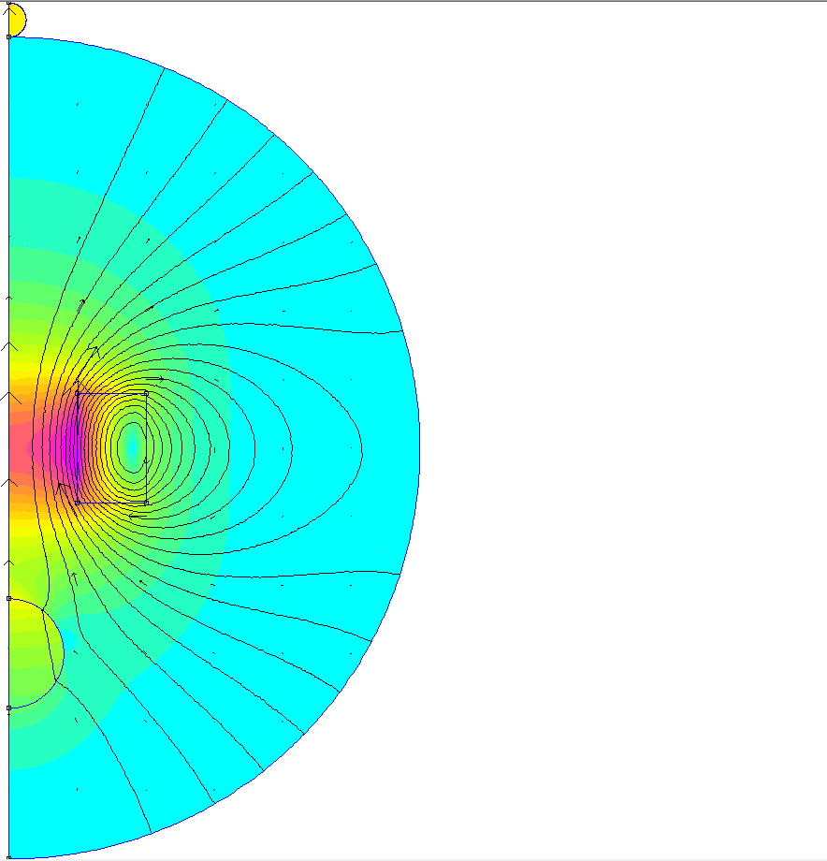
0.012 | -73.9217 |  | -47.1656 |  |  |  |  |  |  |  | 420 | 11.9788 | 43.1236 | 420 | 9.5739 | 34.4660
0.013 | -64.9851 |  | -41.9218 |  |  |  |  |  |  |  | 430 | 12.2640 | 44.1504 | 430 | 9.8018 | 35.2867
0.014 | -56.0542 |  | -36.5904 |  |  |  |  |  |  |  | 440 | 12.5492 | 45.1771 | 440 | 10.0298 | 36.1073
0.015 | -47.5929 |  | -31.4674 |  |  |  |  |  |  |  | 450 | 12.8344 | 46.2039 | 450 | 10.2577 | 36.9279
0.016 | -39.8982 |  | -26.7426 |  |  |  |  |  |  |  | 460 | 13.1196 | 47.2306 | 460 | 10.4857 | 37.7485
0.017 | -33.1087 |  | -22.5177 |  |  |  |  |  |  |  | 470 | 13.4048 | 48.2574 | 470 | 10.7136 | 38.5691
0.018 | -27.2610 |  | -18.8163 |  |  |  |  |  |  |  | 480 | 13.6900 | 49.2841 | 480 | 10.9416 | 39.3897
0.019 | -22.3233 |  | -15.6396 |  |  |  |  |  |  |  | 490 | 13.9752 | 50.3109 | 490 | 11.1695 | 40.2104
0.02 | -18.2135 |  | -12.9538 |  |  |  |  |  |  |  | 500 | 14.2605 | 51.3377 | 500 | 11.3975 | 41.0310
0.021 | -14.8273 |  | -10.7038
0.022 | -12.0622 |  | -8.8343
0.023 | -9.8171 |  | -7.2906
0.024 | -8.0000 |  | -6.0218
0.025 | -6.5305 |  | -4.9789
0.026 | -5.3407 |  | -4.1246
0.027 | -4.3840 |  | -3.4249
0.028 | -3.6093 |  | -2.8506
0.029 | -2.9810 |  | -2.3800
0.03 | -2.4708 |  | -1.9920

